Big Data Source from MOM
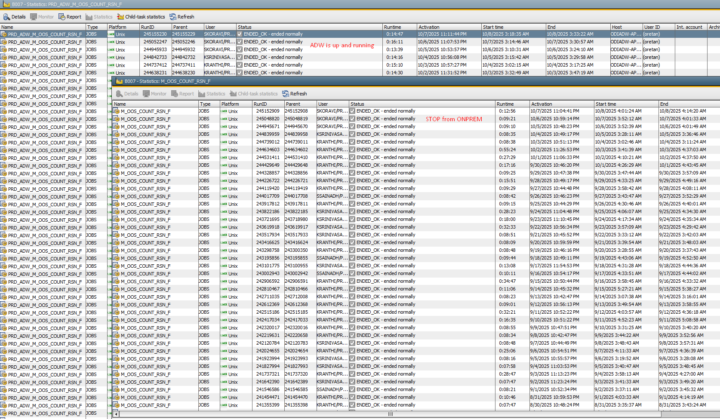
Source Tables | Status
xtern_rdwt_adw | Will continue running
oos_count_reason | Stop from onprem, adw is up and running already
daily_sales_metrics | Populates to Onprem once ADW batch is done
m_rpt_master_code_config_tbl | Config table [No batches]
user_attrib_bi | Stop from onprem, adw is up and running already
m_sls_it_lc_bu_dy_a | Stop from onprem, adw is up and running already

PF.RAADW_GG_CYCLIC_BIG_DATA_IIP_STATUS_0300
MAKRO_M_IIP_STATUS | Stop from onprem, needs to run from ADW
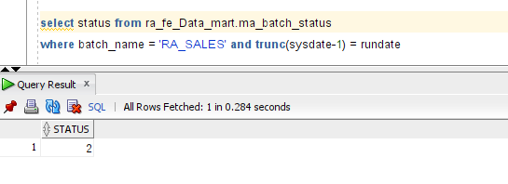

As RA_FE_DATA_MART for Onprem will no longer be available

WORKFLOW
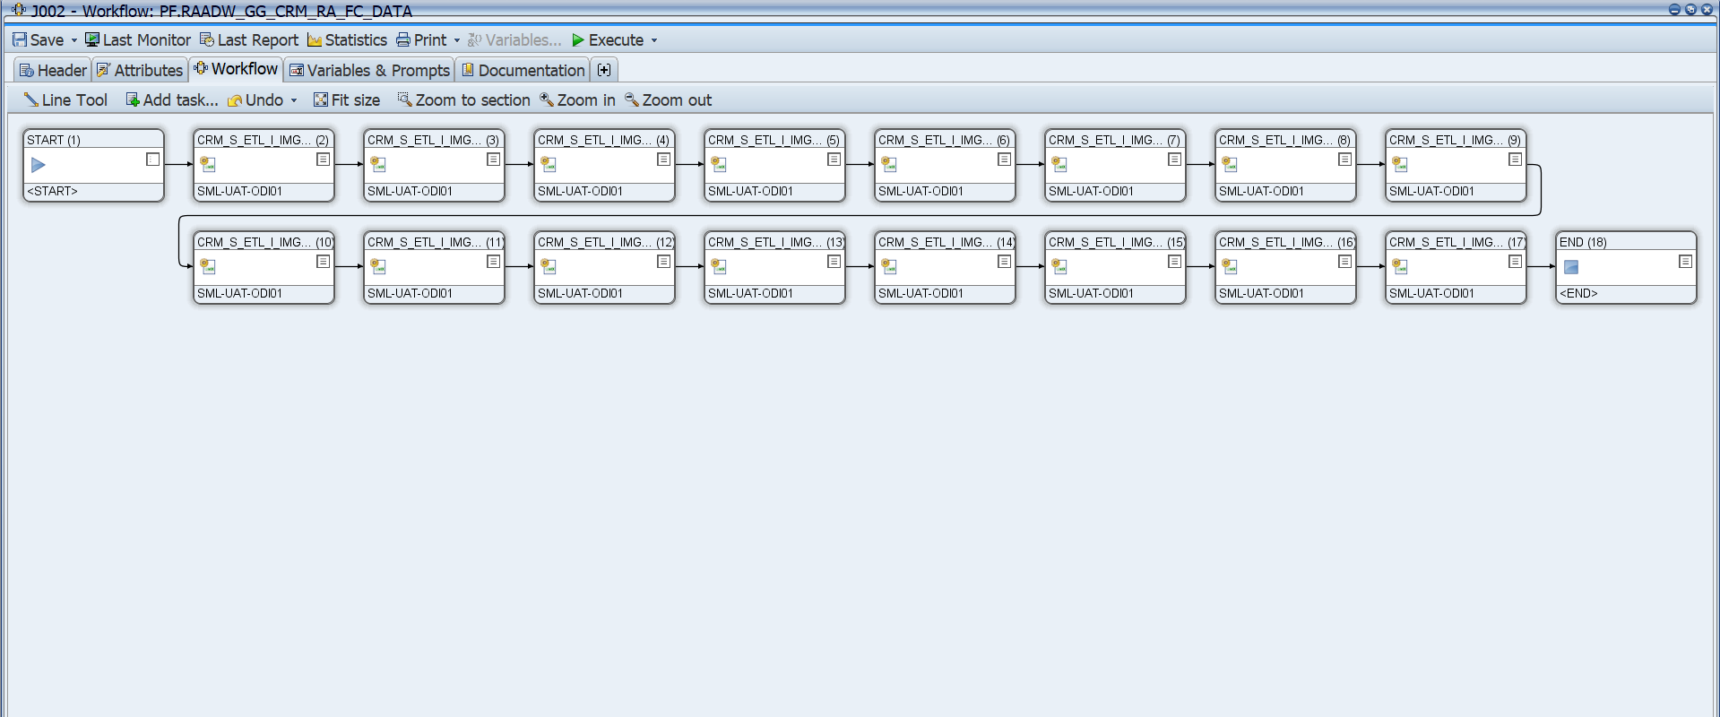
 | PF.RAADW_GG_INTERNATIONAL_SALES_JOBS_03AM

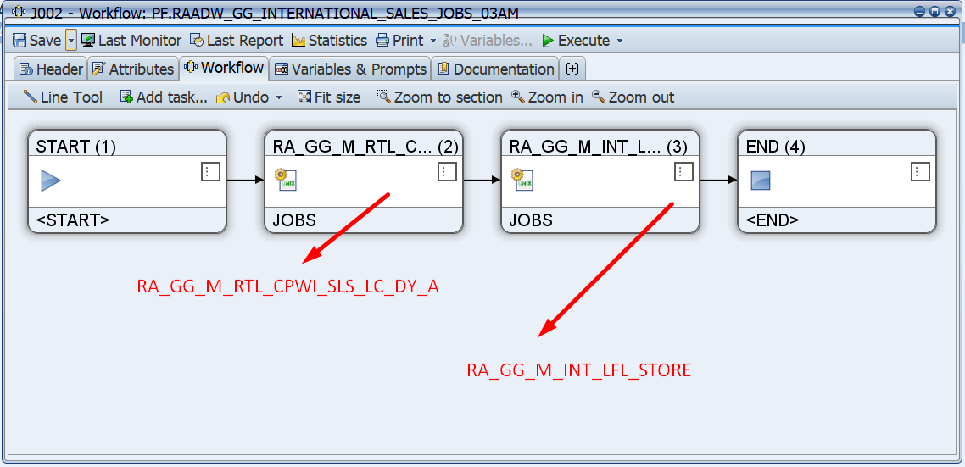

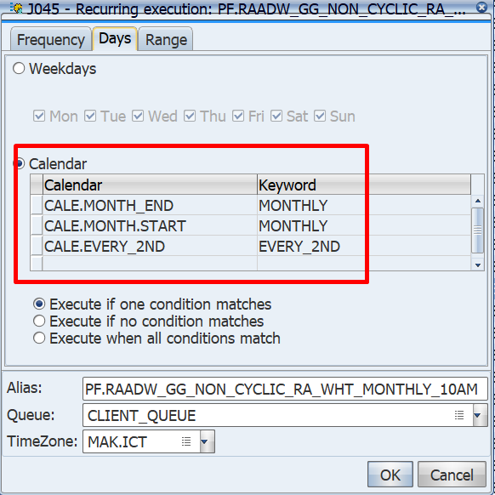
 | PF.RAADW_GG_NON_CYCLIC_RA_WHT_MONTHLY_10AM |  | RAADW_GG_M_RTL_WHT_SUPP_TAX_10AM_STATUS_UPD |  | Parameters
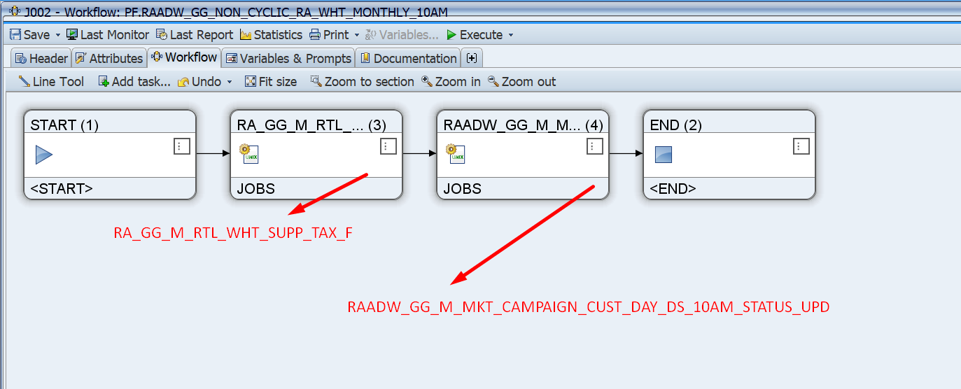
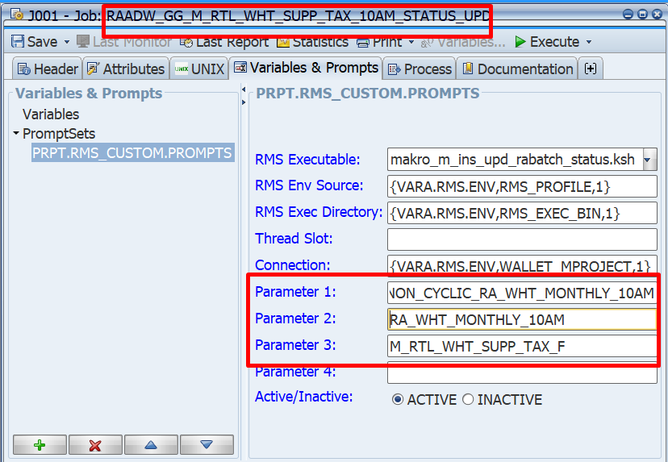

 |  |  | RAADW_GG_M_RTL_WHT_SUPP_TAX_17PM_STATUS_UPD
 | PF.RAADW_GG_NON_CYCLIC_RA_WHT_MONTHLY_17PM
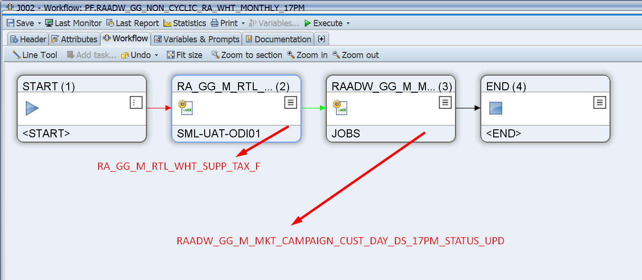
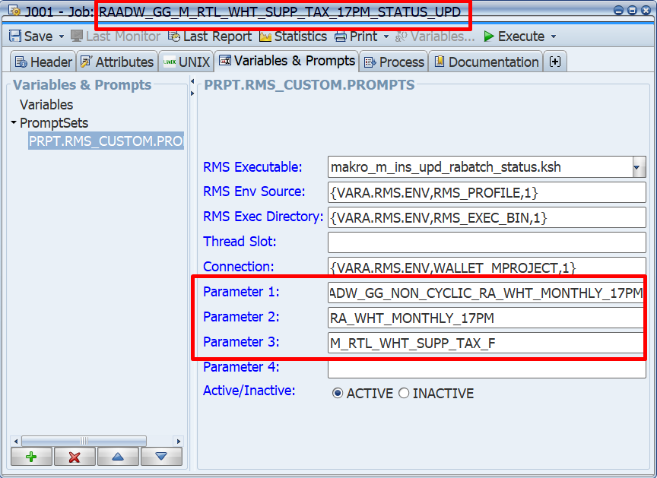
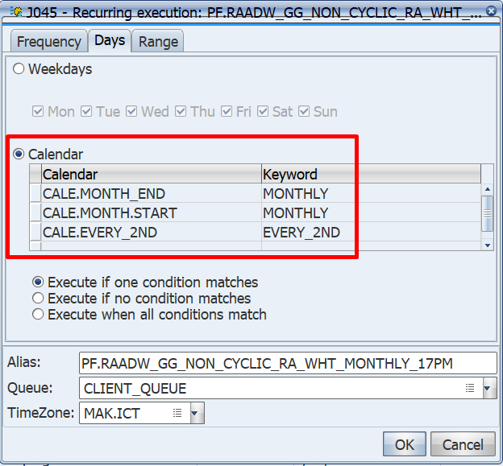

 | PF.RAADW_GG_NON_CYCLIC_XTERN_RDWT_ADW_1205

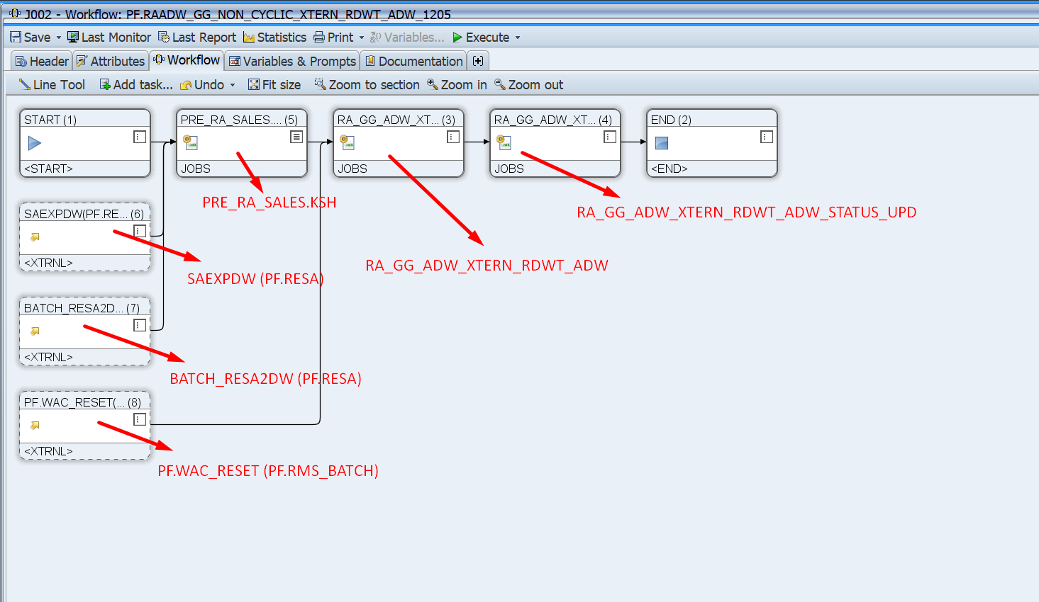
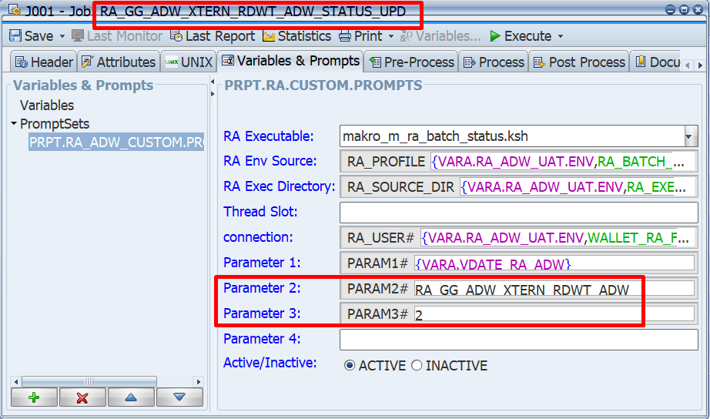

 | PF.RAADW_GG_NON_CYCLIC_SFA_SCRIPTS_CHAIN_4AM

PF.RAADW_GG_SIERA_LABEL_PRINTING_10AM
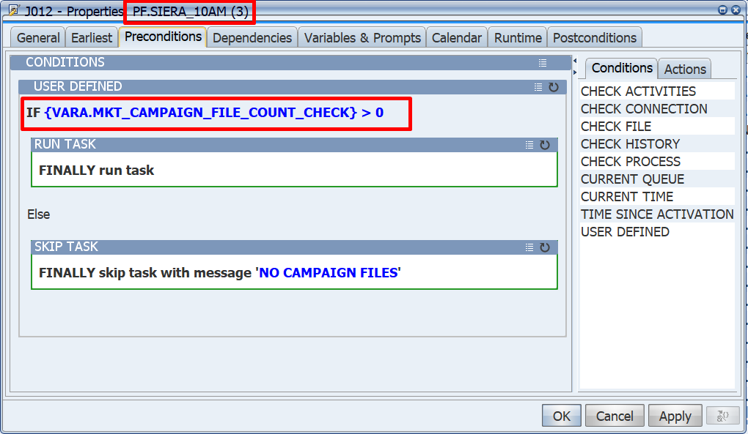
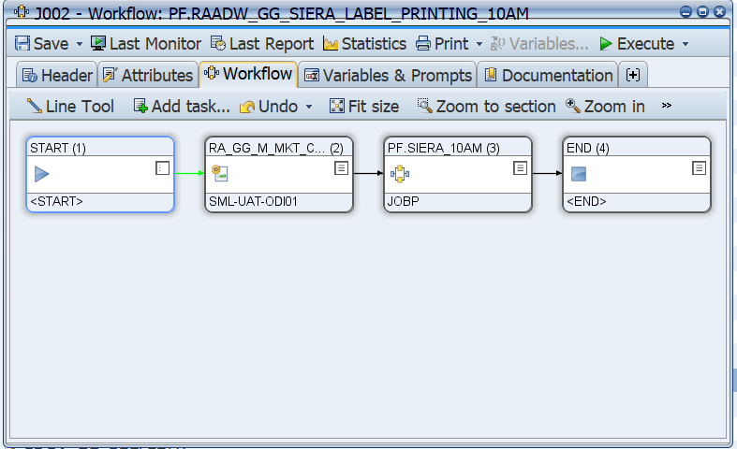

PF.SIERA_10AM

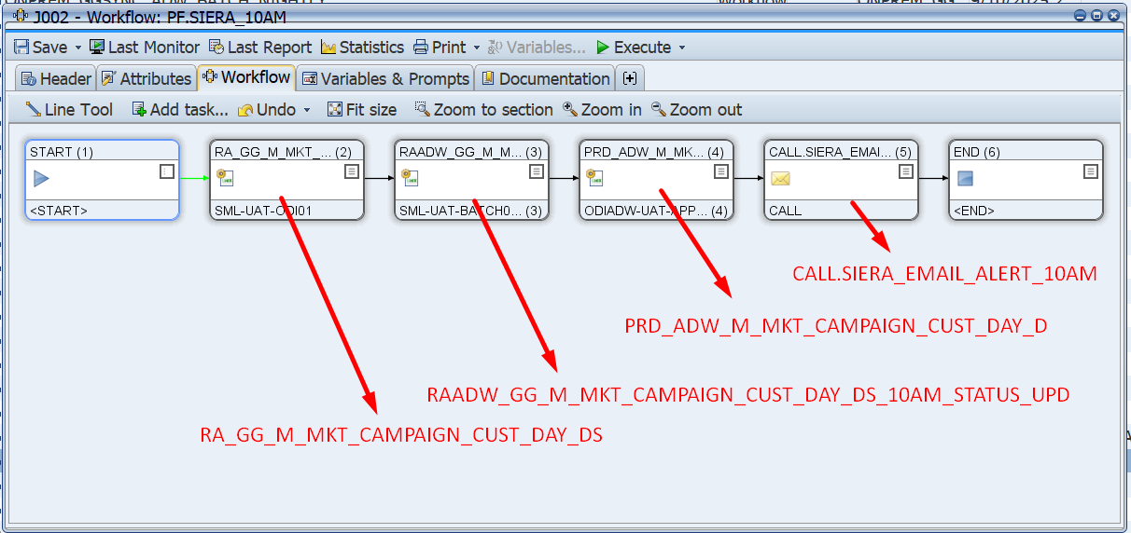
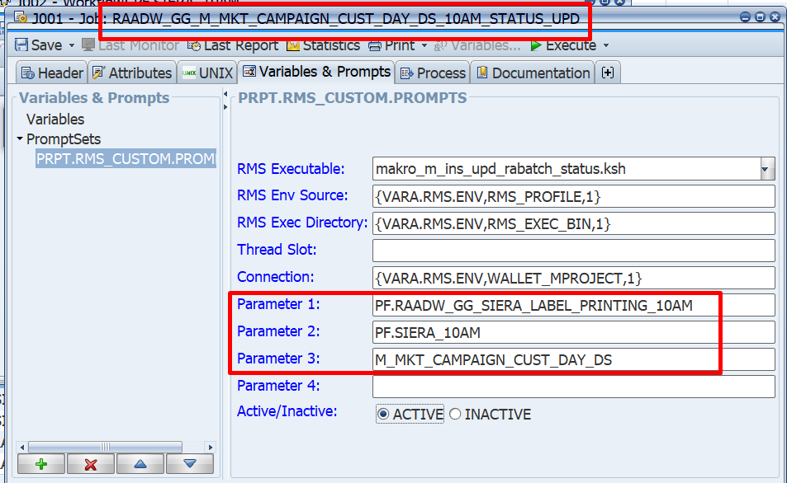
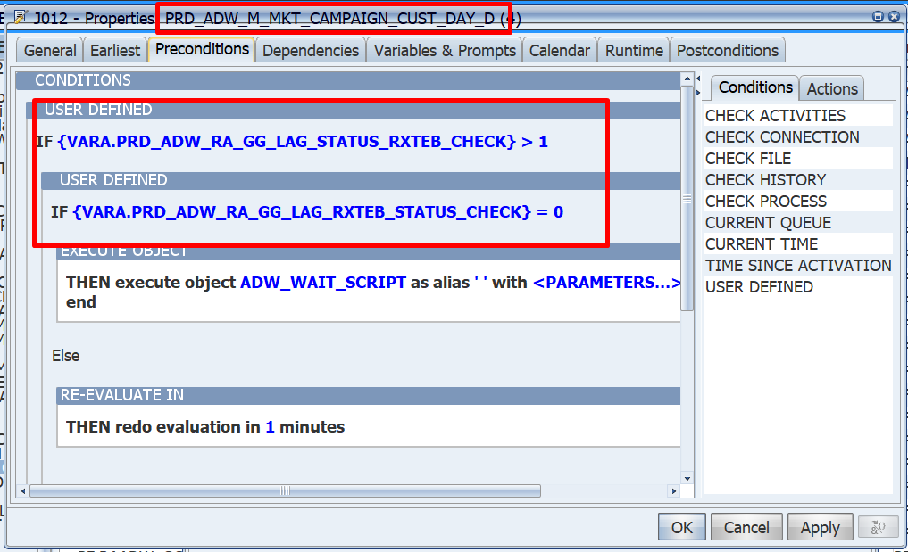

PF.RAADW_GG_SIERA_LABEL_PRINTING_14PM

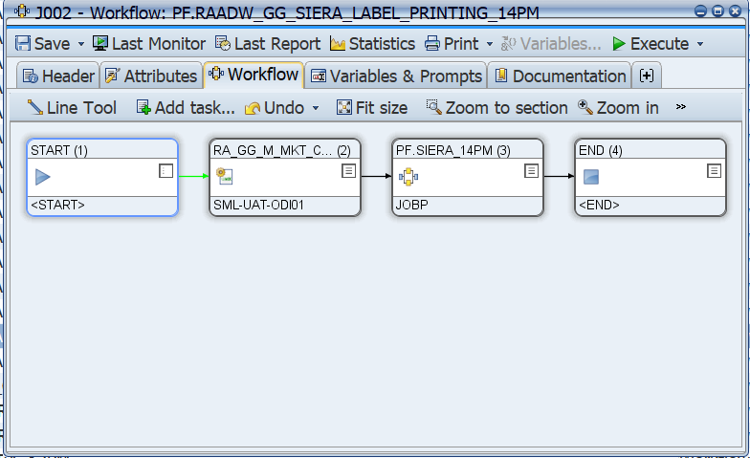
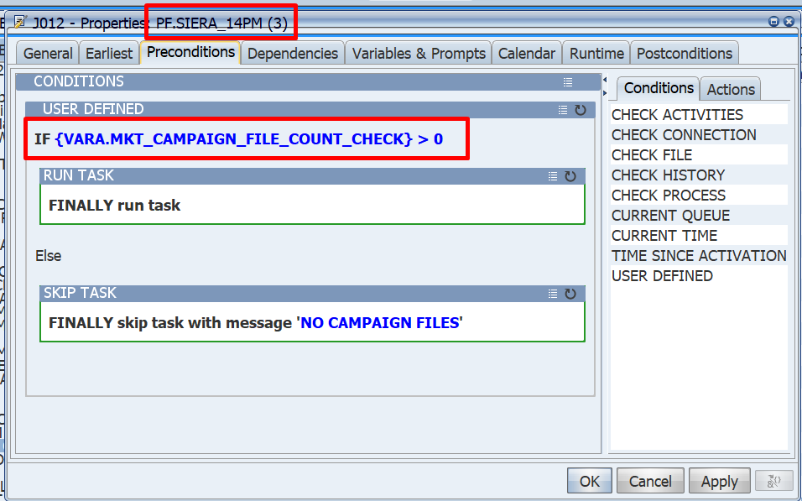

PF.SIERA_14PM

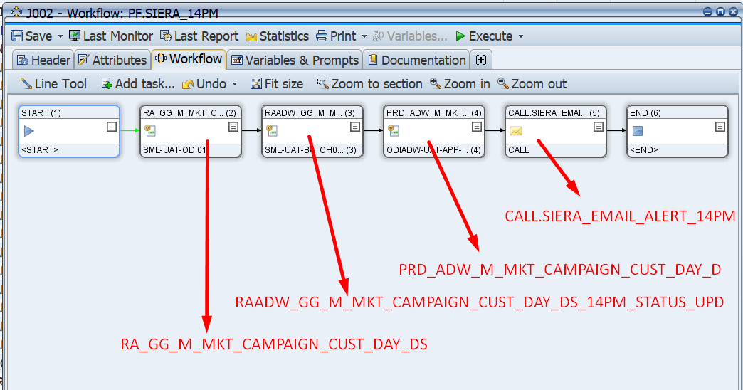
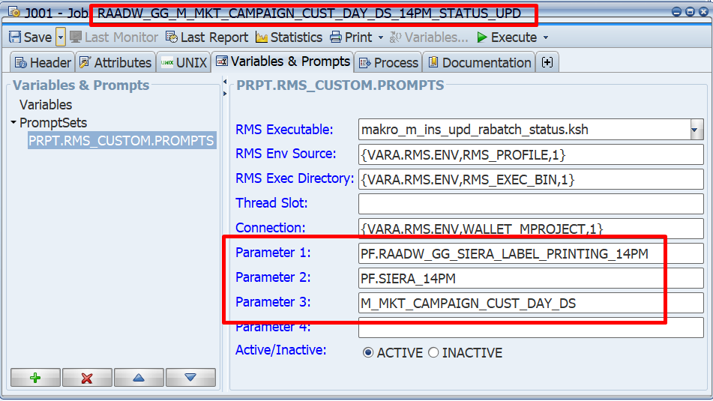

PF.RAADW_GG_SIERA_LABEL_PRINTING_17PM

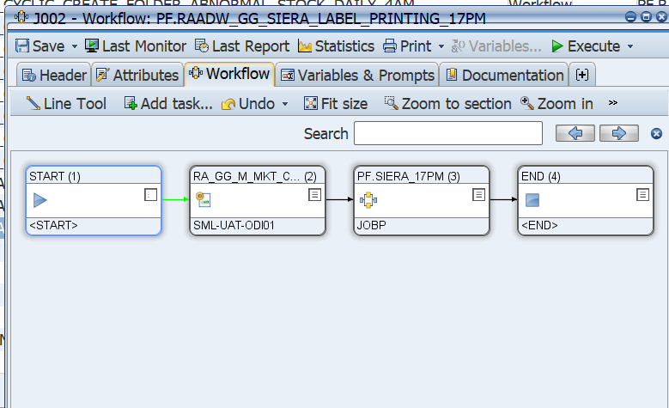
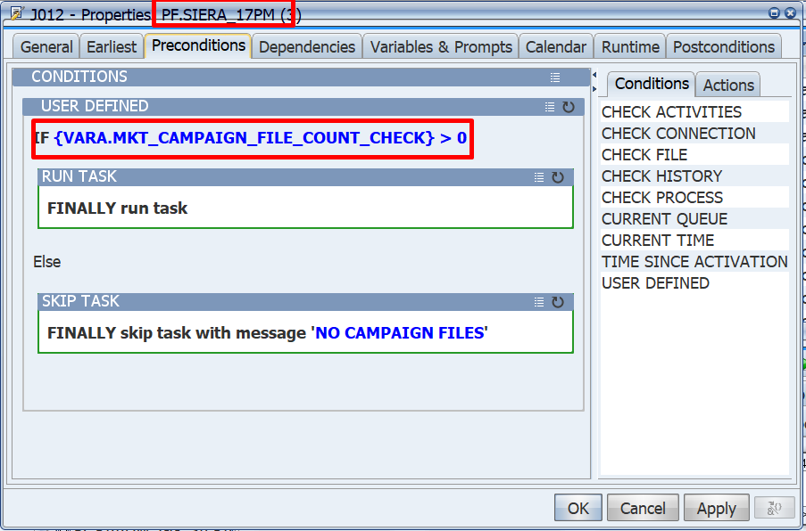

PF.SIERA_17PM

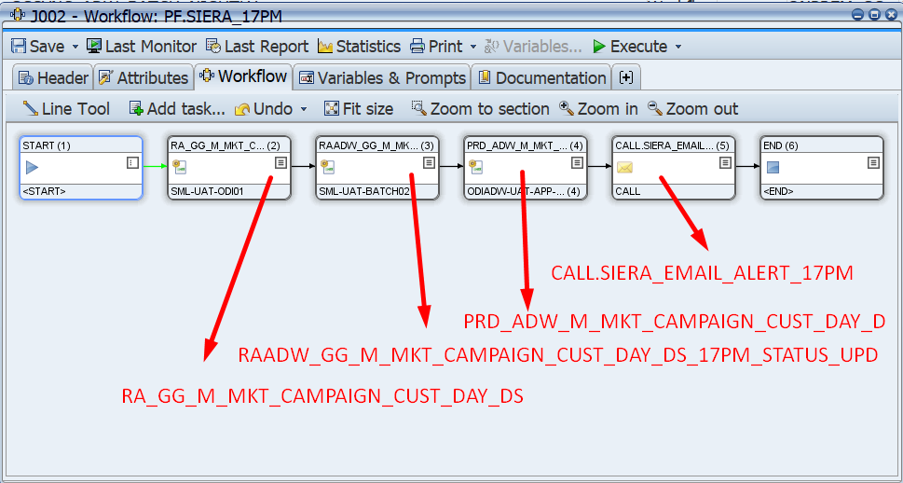
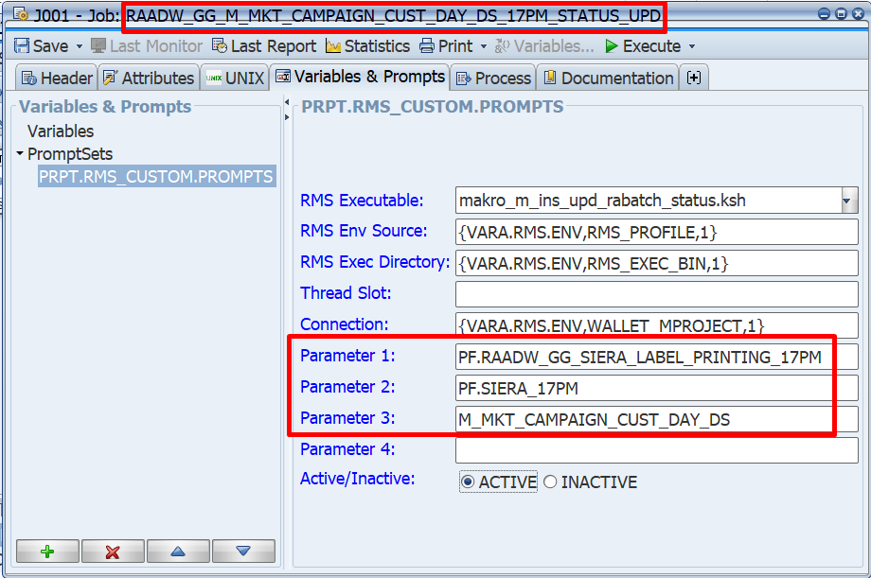

 | PF.RAADW_GG_NON_CYCLIC_SIERA_CAMP_DATA_12AM

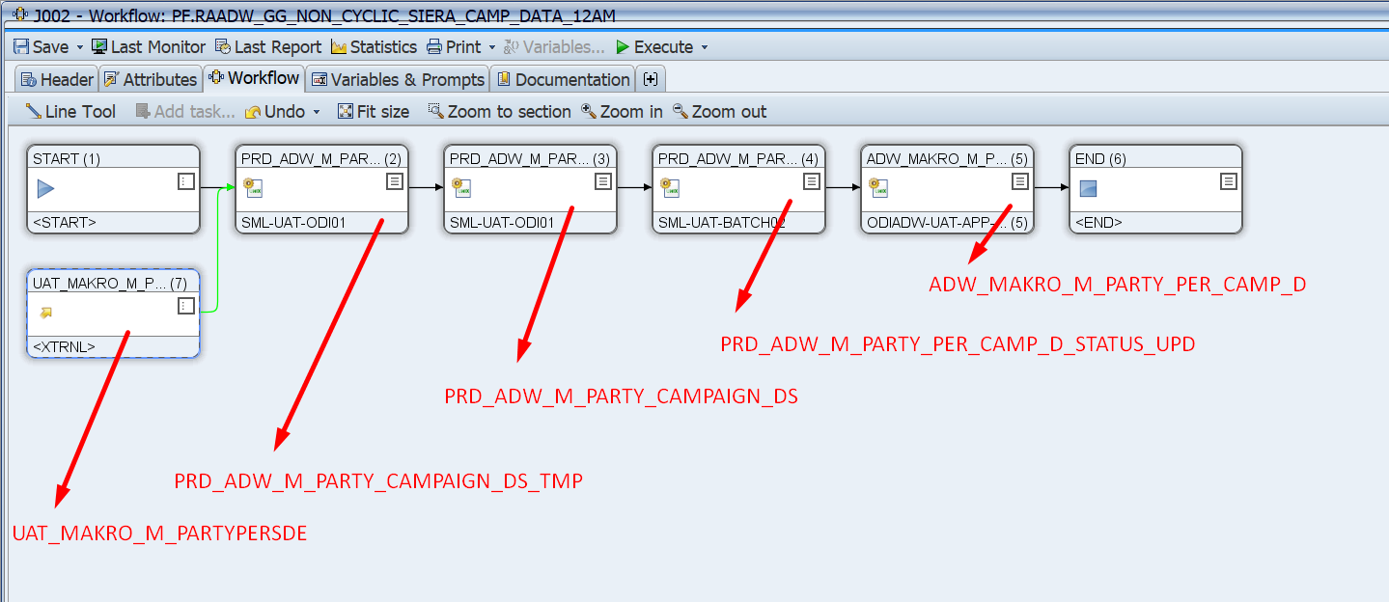

 | RA_GG_CREATE_FOLDER_ABNORMAL_STOCK_DAILY

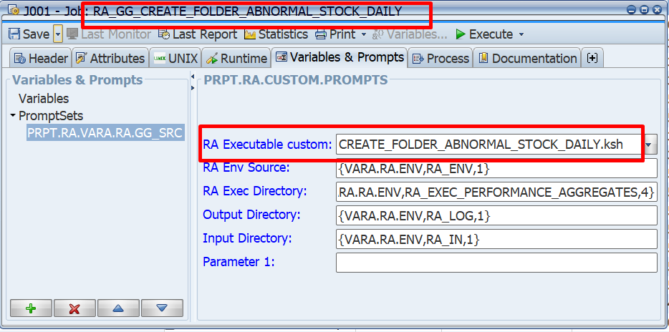

 | RA_GG_EDI_EXCEPTION_REFRESH

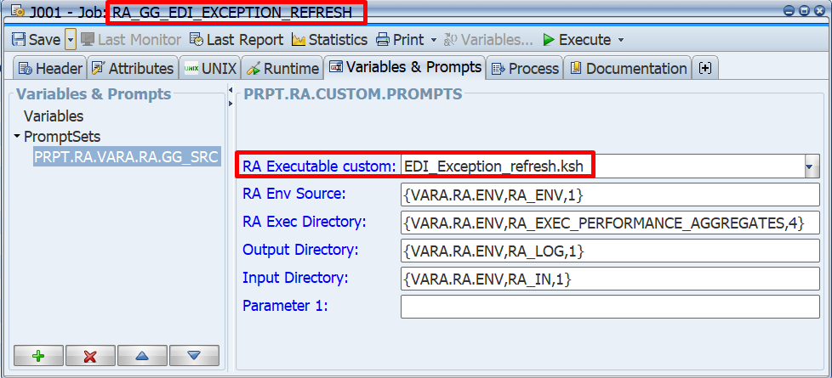

 | RA_GG_M_MASTER_PLANOGRAM_DATA_WEEKLY

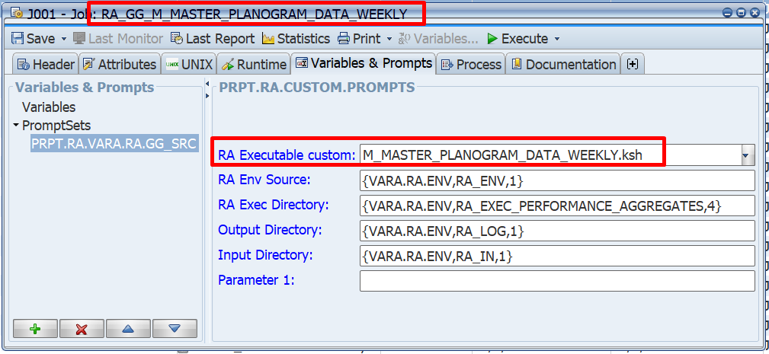

 | RA_GG_MAKRO_M_IIP_STATUS

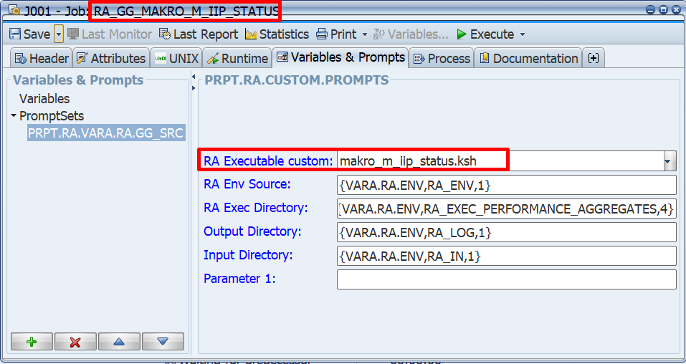

 | RA_GG_CREATE_FOLDER_ABNORMAL_STOCK_WEEKLY
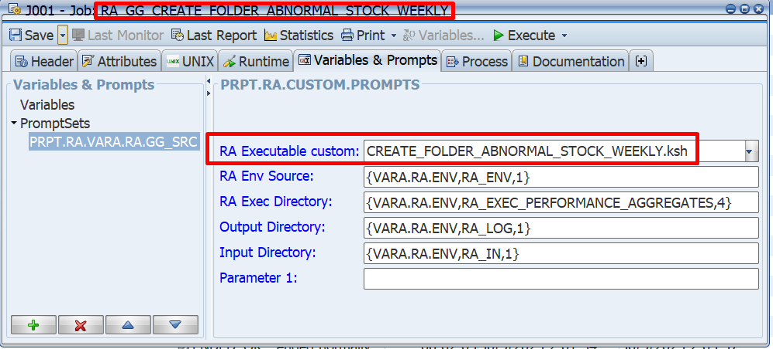

 | RA_GG_OCS_CREATE_FOLDER_S1
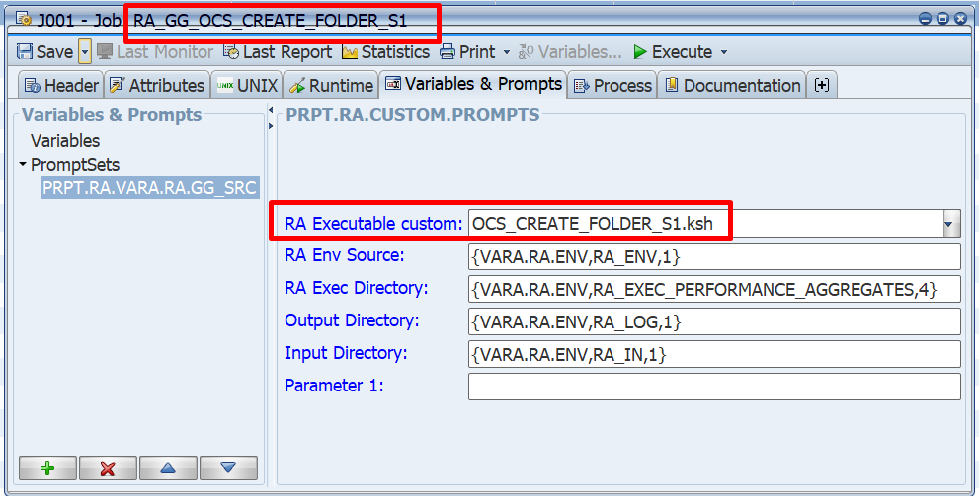

 | RA_GG_M_OOS_COUNT_RSN_F

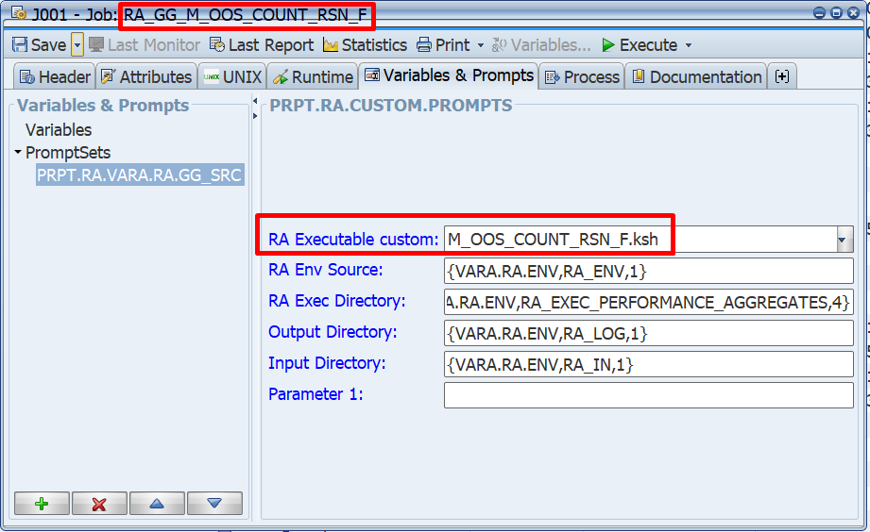

 | PF.RA_GG_RECLSDLY
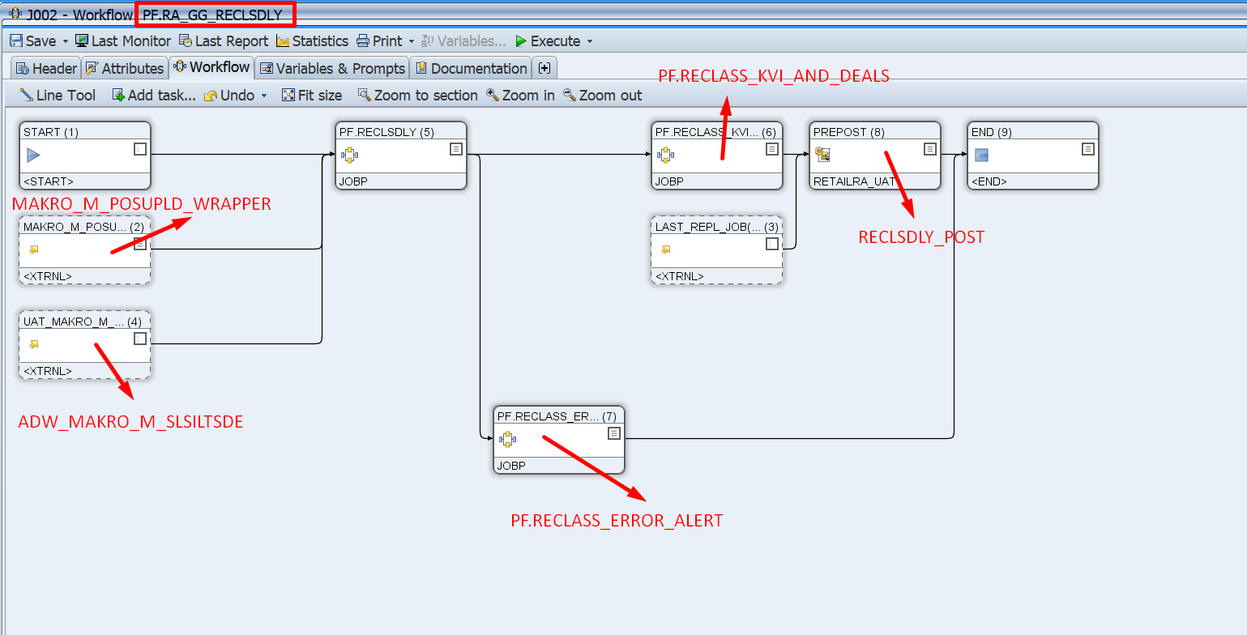

 | ONPREM_GGSYNC_ADW_BATCH_NIGHTLY

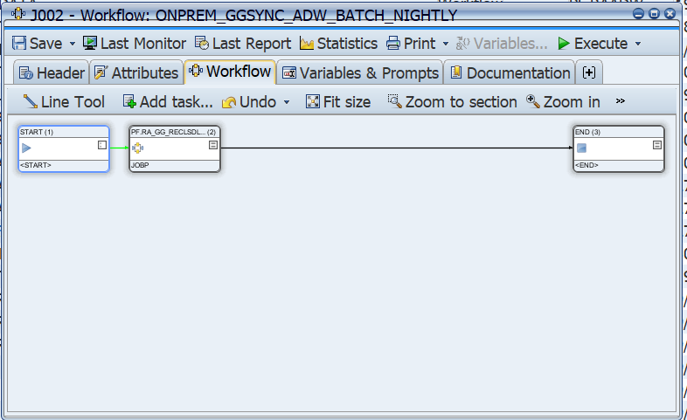

 | PRD_ADW_DAILY_SALES_METRICS_ADW_LOAD_STATUS_UPD | PRD_ADW_DAILY_SALES_METRICS_ADW_STATUS_UPD

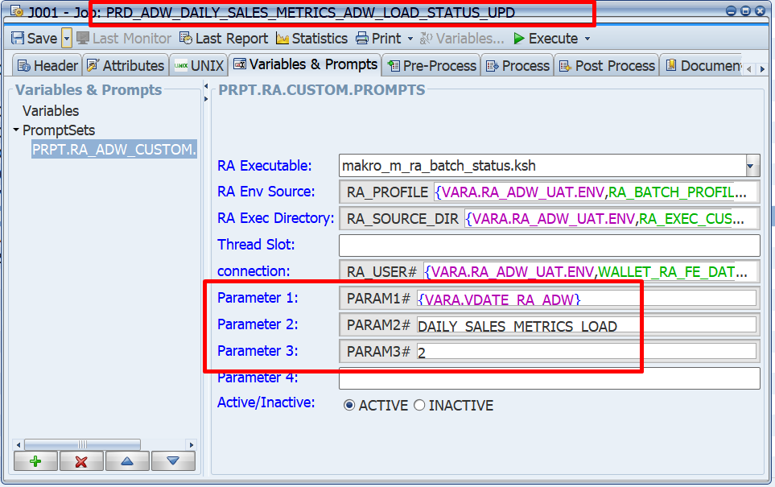
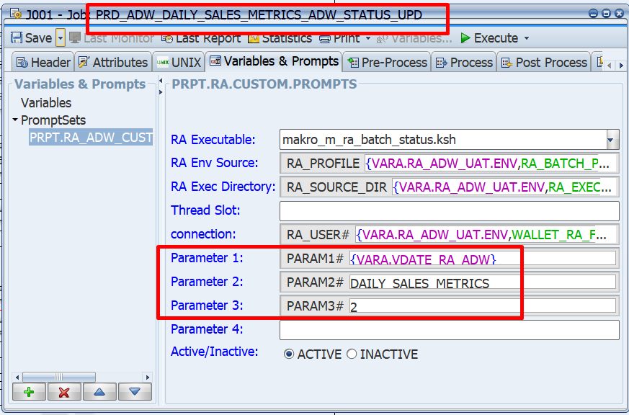

 | RA_GG_PRD_ADW_DAILY_SALES_METRICS_ADW_LOAD |  | PF.RA_GG_ADW_DAILY_SALES_METRICS_ADW_LOAD

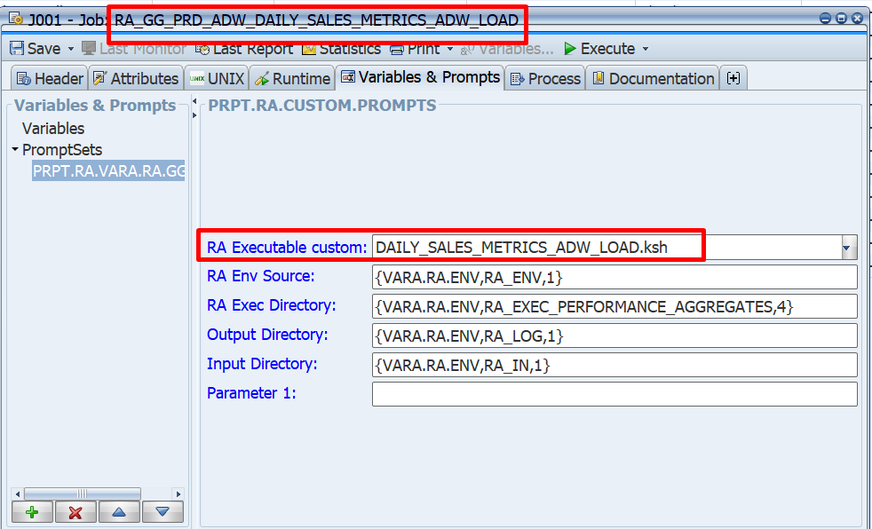
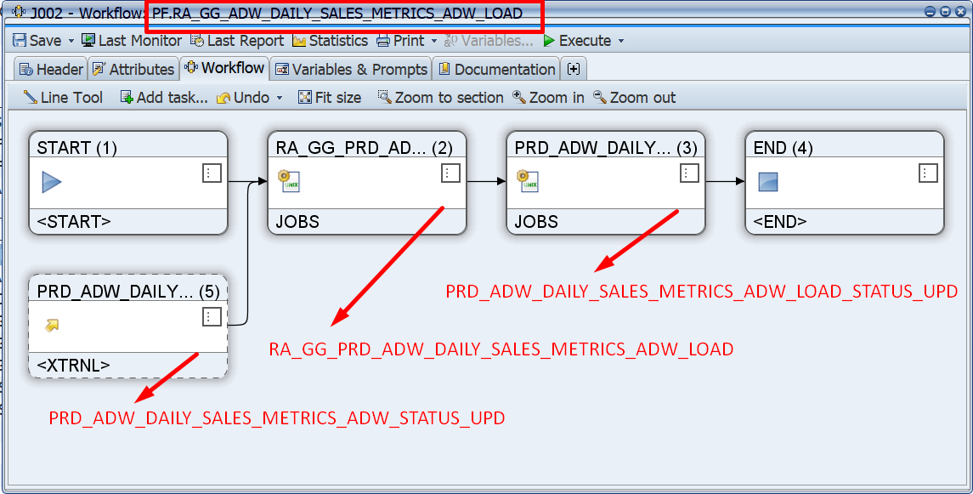

 | ONPREM_GGSYNC_ADW_BATCH_NIGHTLY |  |  | ONPREM_GGSYNC_ADW_BATCH_DAYTIME

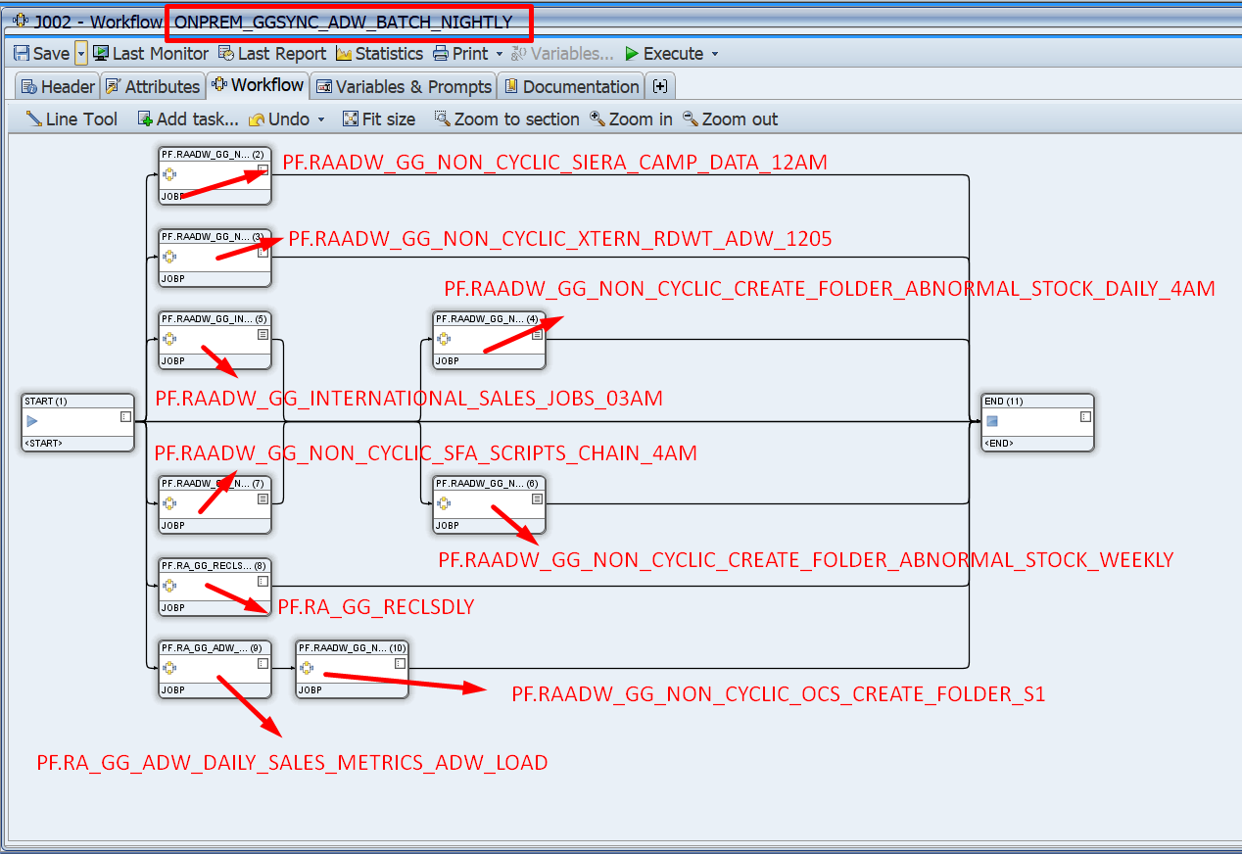
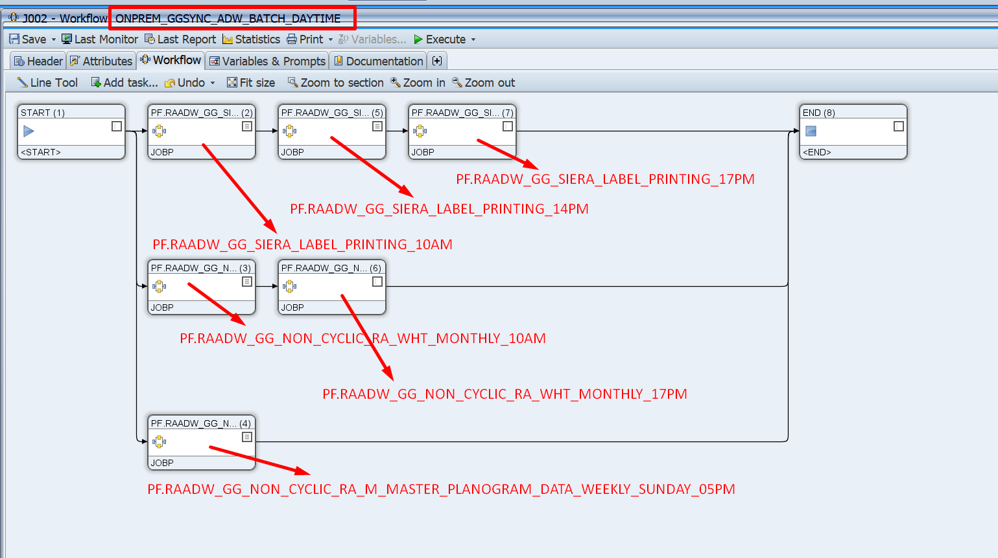

 | PF.NON_CYCLIC_RAADW_GG_RA_CRM_CHAINS_2300

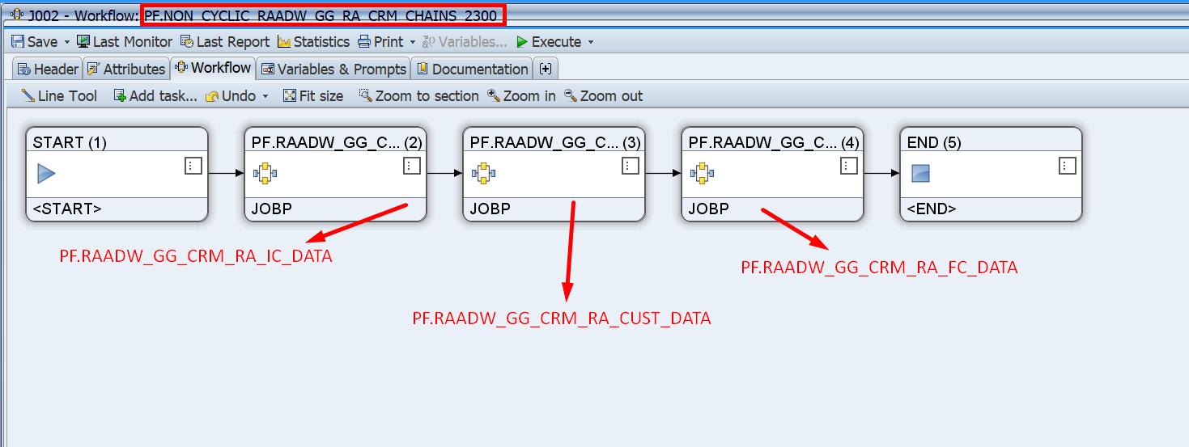

 | PF.RAADW_GG_CRM_RA_IC_DATA |  |  |  | PF.RAADW_GG_CRM_RA_CUST_DATA

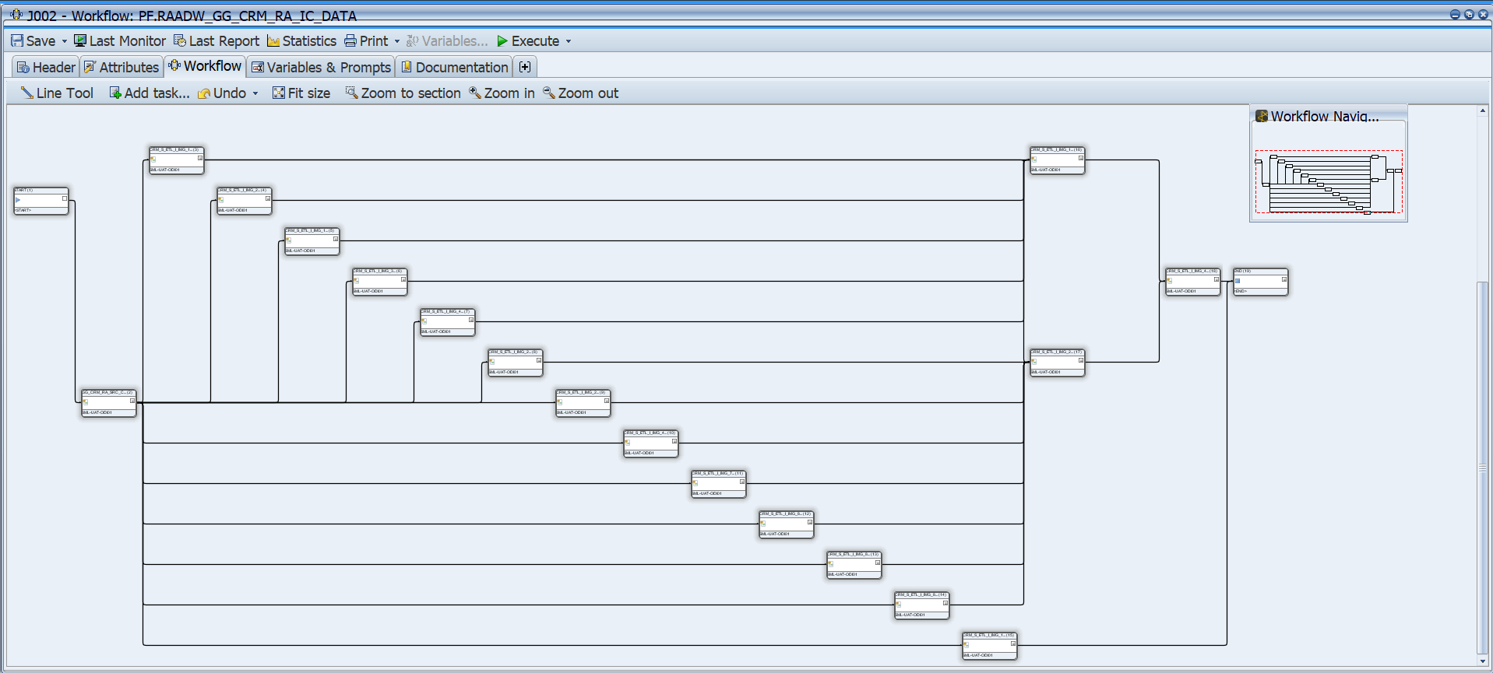
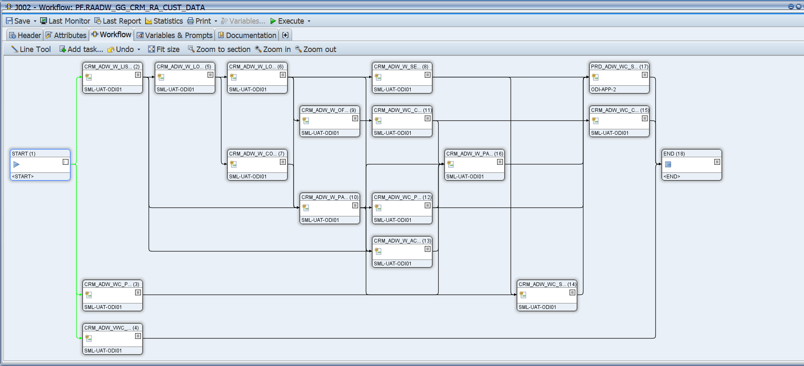

 | PF.RAADW_GG_CRM_RA_FC_DATA

